Executive Summary
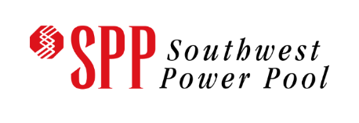
Executive Summary: SPP Affected Systems Impact Study of AECI GIA-99 - GIA-107
Pursuant to the Southwest Power Pool (SPP) and Associated Electric Cooperative Inc. (AECI) Joint Operating Agreement (JOA), SPP has conducted this Affected Systems Impact Study (ASIS) for generation interconnection requests studied in the AECI Generator Interconnection Queue. The primary objective of this ASIS is to identify constraints and over-dutied equipment on SPP facilities associated with the new AECI interconnection requests. The study analysis for the generation interconnection requests included in this ASIS are displayed in this workbook. This workbook provides a convenient method to sort and analyze required study data. The Generator Interconnection Manual Version 1.6 posted on https://opsportal.spp.org/documents/studies/DISIS%20Manual.pdf contains details about the ASIS process, methodology, definitions, and useful links. Please review the Generator Interconnection Manual or contact GI-AFS@SPP.org for more information about the study process. SPP ASIS of AECI GIA-106 - GIA-107 includes study requests in the following legacy cluster groups: 03

Generator Interconnection Manual Version 1.6
https://opsportal.spp.org/documents/studies/DISIS%20Manual.pdf

This ASIS analyzes the impact of interconnecting new generation for total of:
600 MW

The total costs of Network Upgrades identified in this ASIS are estimated at:
$0.00

Models Used in Study
2022 DISIS 1801 Phase 2
Summer: 2023, 2026
Winter: 2026
Light: 2026

Assumptions Used in Study
Queued after DISIS-2017-002 and all higher-queued AECI requests Includes model reduction Includes Group Reduction Includes fuel-based dispatch.

By: SPP Generator Interconnection Department
Published: March 17, 2023

